Consolidated Balance
COCA-COLA FEMSA
CONSOLIDATED BALANCE SHEET
Millions of Pesos

Assets | Mar-21 | Dec-20 | % Var. | Liabilities & Equity | Mar-21 | Dec-20 | % Var.
Current Assets |  |  |  | Current Liabilities
Cash, cash equivalents and marketable securities |  |  |  | Short-term bank loans and notes payable | 4,056 | 5,017 | -19%
 | 48,425 | 43,497 | 11% | Suppliers | 16,096 | 17,195 | -6%
Total accounts receivable | 8,737 | 11,523 | -24% | Short-term leasing Liabilities | 550 | 560 | -2%
Inventories | 10,160 | 9,727 | 4% | Other current liabilities | 28,208 | 20,073 | 41%
Other current assets | 6,642 | 7,693 | -14% | Total current liabilities | 48,910 | 42,845 | 14%
Total current assets | 73,964 | 72,440 | 2% | Non-Current Liabilities
Non-Current Assets |  |  |  | Long-term bank loans and notes payable | 84,705 | 82,461 | 3%
Property, plant and equipment | 107,903 | 109,551 | -2% | Long Term Leasing Liabilities | 867 | 746 | 16%
Accumulated depreciation | (49,911) | (50,091) | 0% | Other long-term liabilities | 13,595 | 14,557 | -7%
Total property, plant and equipment, net | 57,992 | 59,460 | -2% | Total liabilities | 148,078 | 140,609 | 5%
Right of use assets | 1,390 | 1,278 | 9% | Equity
Investment in shares | 7,531 | 7,623 | -1% | Non-controlling interest | 5,258 | 5,583 | -6%
Intangible assets and other assets | 101,930 | 103,971 | -2% | Total controlling interest | 108,431 | 116,874 | -7%
Other non-current assets | 18,959 | 18,294 | 4% | Total equity | 113,689 | 122,457 | -7%
Total Assets | 261,766 | 263,066 | 0% | Total Liabilities and Equity | 261,766 | 263,066 | 0%

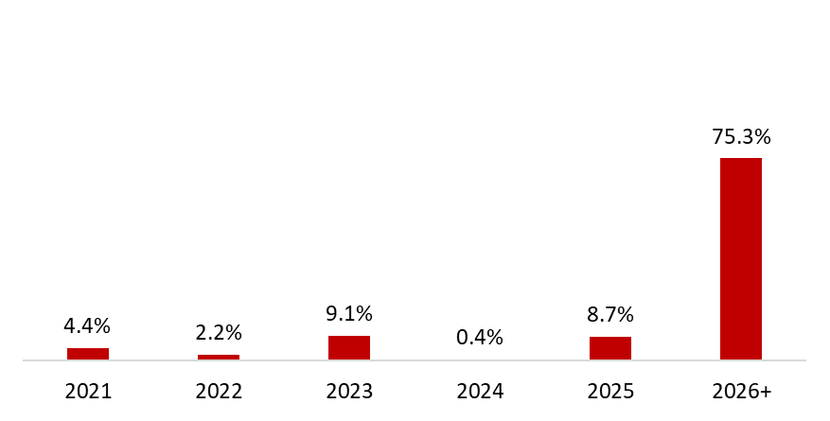
 | March 31, 2021
Debt Mix | % Total Debt (1) | % Interest Rate Floating (1) (2) | Average Rate | Debt Maturity Profile
Currency
Mexican Pesos | 54.4% | 23.8% | 7.1%
U.S. Dollars | 33.1% | 0.0% | 2.7%
Colombian Pesos | 2.1% | 51.7% | 3.7%
Brazilian Reals | 8.3% | 0.2% | 7.9%
Uruguayan Pesos | 1.6% | 0.0% | 7.4%
Argentine Pesos | 0.7% | 0.0% | 47.7%
Total Debt | 100% | 7.3% | 5.9%
(1) After giving effect to cross- currency swaps.
(2) Calculated by weighting each year´s outstanding debt balance mix.

Financial Ratios | 1Q 2021 | FY 2020 | Δ%
Net debt including effect of hedges (1)(3) | 37,309 | 42,194 | -11.6%
Net debt including effect of hedges / Operating cash flow (1)(3) | 1.01 | 1.13
Operating cash flow/ Interest expense, net (1) | 6.73 | 5.46
Capitalization (2) | 44.7% | 42.7%
(1) Net debt = total debt - cash
(2) Total debt / (long-term debt + shareholders' equity)
(3) After giving effect to cross-currency swaps.

