Consolidated Balance
COCA-COLA FEMSA
CONSOLIDATED BALANCE SHEET
Millions of Pesos

Assets | Mar-26 | Dec-25 | % Var. | Liabilities & Equity | Mar-26 | Dec-25 | % Var.
Current Assets |  |  |  | Current Liabilities
Cash, cash equivalents and marketable securities |  |  |  | Short-term bank loans and notes payable | 4,875 | 7,944 | -39%
 | 41,346 | 28,067 | 47% | Suppliers | 29,385 | 31,898 | -8%
Total accounts receivable | 17,749 | 22,146 | -20% | Short-term leasing Liabilities | 952 | 631 | 51%
Inventories | 14,814 | 14,014 | 6% | Other current liabilities | 43,133 | 26,284 | 64%
Other current assets | 12,233 | 10,343 | 18% | Total current liabilities | 78,345 | 66,757 | 17%
Total current assets | 86,141 | 74,570 | 16% | Non-Current Liabilities | - | -
Non-Current Assets | - | - |  | Long-term bank loans and notes payable | 82,233 | 71,834 | 14%
Property, plant and equipment | 180,491 | 174,289 | 4% | Long Term Leasing Liabilities | 2,857 | 2,273 | 26%
Accumulated depreciation | (68,766) | (65,159) | 6% | Other long-term liabilities | 22,811 | 19,647 | 16%
Total property, plant and equipment, net | 111,725 | 109,130 | 2% | Total liabilities | 186,246 | 160,511 | 16%
Right of use assets | 3,461 | 2,617 | 32% | Equity | - | -
Investment in shares | 10,587 | 10,588 | 0% | Non-controlling interest | 8,645 | 7,827 | 10%
Intangible assets and other assets | 104,318 | 102,356 | 2% | Total controlling interest | 138,225 | 146,201 | -5%
Other non-current assets | 16,883 | 15,278 | 11% | Total equity | 146,870 | 154,029 | -5%
Total Assets | 333,116 | 314,539 | 6% | Total Liabilities and Equity | 333,116 | 314,539 | 6%

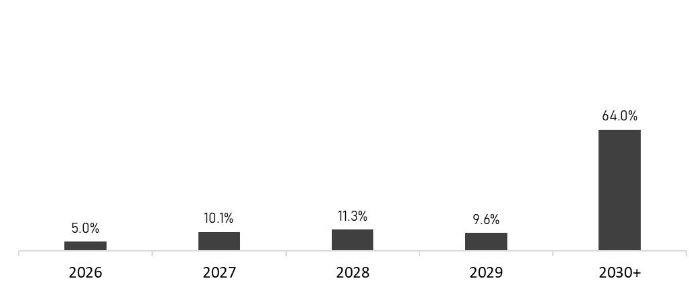
 | March 31, 2026
Debt Mix | % Total Debt (1) | % Interest Rate Floating (1) (2) | Average Rate | Debt Maturity Profile
Currency
Mexican Pesos | 63.2% | 3.8% | 8.5%
U.S. Dollars | 18.2% | 37.7% | 4.2%
Colombian Pesos | 1.6% | 57.3% | 11.2%
Brazilian Reals | 16.4% | 36.3% | 9.7%
Argentine Pesos | 0.6% | 0.0% | 32.7%
Total Debt | 100% | 18.0% | 8.0%

(1) After giving effect to swaps.
(2) Calculated based on the weighting of the outstanding debt mix for each year.

Financial Ratios | Mar 31, 2026 | Dec 31, 2025 | Δ%
Net debt including effect of hedges (1)(3) | 47,535 | 52,846 | -10.0%
Net debt including effect of hedges / Adj. EBITDA (1)(3) | 0.80 | 0.89
Adj. EBITDA/ Interest expense, net (1) | 8.51 | 10.29
Capitalization (2) | 38.0% | 35.4%
(1) Net debt = total debt - cash
(2) Total debt / (total debt + shareholders' equity)
(3) After giving effect to swaps.

