Consolidated Balance
COCA-COLA FEMSA
CONSOLIDATED BALANCE SHEET
Millions of Pesos

Assets | Dec-25 | Dec-24 | % Var. | Liabilities & Equity | Dec-25 | Dec-24 | % Var.
Current Assets |  |  |  | Current Liabilities
Cash, cash equivalents and marketable securities |  |  |  | Short-term bank loans and notes payable | 7,944 | 3,314 | 140%
 | 28,067 | 32,779 | -14% | Suppliers | 31,898 | 33,773 | -6%
Total accounts receivable | 22,146 | 18,620 | 19% | Short-term leasing Liabilities | 631 | 889 | -29%
Inventories | 14,014 | 14,059 | 0% | Other current liabilities | 26,284 | 29,195 | -10%
Other current assets | 10,343 | 9,675 | 7% | Total current liabilities | 66,757 | 67,171 | -1%
Total current assets | 74,570 | 75,132 | -1% | Non-Current Liabilities | - | -
Non-Current Assets | - | - |  | Long-term bank loans and notes payable | 71,834 | 70,383 | 2%
Property, plant and equipment | 174,289 | 161,785 | 8% | Long Term Leasing Liabilities | 2,273 | 2,295 | -1%
Accumulated depreciation | (65,159) | (62,404) | 4% | Other long-term liabilities | 19,647 | 17,595 | 12%
Total property, plant and equipment, net | 109,130 | 99,381 | 10% | Total liabilities | 160,511 | 157,445 | 2%
Right of use assets | 2,617 | 2,989 | -12% | Equity | - | -
Investment in shares | 10,588 | 10,233 | 3% | Non-controlling interest | 7,827 | 7,113 | 10%
Intangible assets and other assets | 102,356 | 101,876 | 0% | Total controlling interest | 146,201 | 143,428 | 2%
Other non-current assets | 15,278 | 18,375 | -17% | Total equity | 154,029 | 150,542 | 2%
Total Assets | 314,539 | 307,986 | 2% | Total Liabilities and Equity | 314,539 | 307,986 | 2%

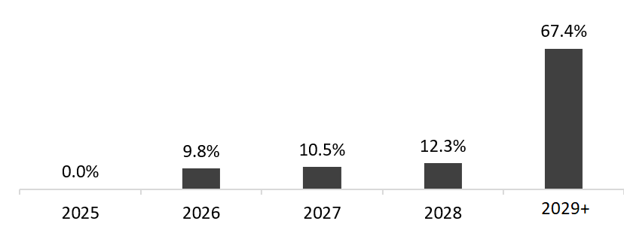
 | December 31, 2025
Debt Mix | % Total Debt (1) | % Interest Rate Floating (1) (2) | Average Rate | Debt Maturity Profile
Currency
Mexican Pesos | 60.7% | 2.8% | 8.5%
U.S. Dollars | 18.6% | 30.5% | 4.3%
Colombian Pesos | 2.9% | 42.9% | 8.6%
Brazilian Reals | 16.9% | 13.1% | 10.9%
Argentine Pesos | 0.8% | 0.0% | 36.2%
Total Debt | 100% | 16.3% | 8.0%

(1) After giving effect to swaps.
(2) Calculated based on the weighting of the outstanding debt mix for each year.

n
Financial Ratios | FY 2025 | FY 2024 | Δ%
Net debt including effect of hedges (1)(3) | 52,846 | 38,329 | 37.9%
Net debt including effect of hedges / Adj. EBITDA (1)(3) | 0.89 | 0.68
Adj. EBITDA/ Interest expense, net (1) | 10.26 | 12.51
Capitalization (2) | 35.4% | 33.3%
(1) Net debt = total debt - cash
(2) Total debt / (total debt + shareholders' equity)
(3) After giving effect to swaps.

