Consolidated Balance
COCA-COLA FEMSA
CONSOLIDATED BALANCE SHEET
Millions of Pesos

Assets | Mar-25 | Dec-24 | % Var. |  | Liabilities & Equity | Mar-25 | Dec-24 | % Var.
Current Assets |  |  |  |  | Current Liabilities
Cash, cash equivalents and marketable securities |  |  |  |  | Short-term bank loans and notes payable | 3,623 | 3,314 | 9%
 | 30,509 | 32,779 | -7% |  | Suppliers | 29,179 | 33,773 | -14%
Total accounts receivable | 16,841 | 18,620 | -10% |  | Short-term leasing Liabilities | 997 | 889 | 12%
Inventories | 15,049 | 14,059 | 7% |  | Other current liabilities | 26,361 | 29,194 | -10%
Other current assets | 10,630 | 9,675 | 10% |  | Total current liabilities | 60,160 | 67,171 | -10%
Total current assets | 73,029 | 75,132 | -3% |  | Non-Current Liabilities | - | -
Non-Current Assets | - | - |  |  | Long-term bank loans and notes payable | 70,674 | 70,383 | 0%
Property, plant and equipment | 168,242 | 161,785 | 4% |  | Long Term Leasing Liabilities | 2,303 | 2,295 | 0%
Accumulated depreciation | (64,976) | (62,404) | 4% |  | Other long-term liabilities | 19,203 | 17,595 | 9%
Total property, plant and equipment, net | 103,266 | 99,381 | 4% |  | Total liabilities | 152,339 | 157,445 | -3%
Right of use assets | 3,091 | 2,989 | 3% |  | Equity | - | -
Investment in shares | 10,467 | 10,233 | 2% |  | Non-controlling interest | 8,034 | 7,113 | 13%
Intangible assets and other assets | 104,328 | 101,876 | 2% |  | Total controlling interest | 151,689 | 143,428 | 6%
Other non-current assets | 17,880 | 18,375 | -3% |  | Total equity | 159,723 | 150,542 | 6%
Total Assets | 312,062 | 307,986 | 1% |  | Total Liabilities and Equity | 312,062 | 307,986 | 1%
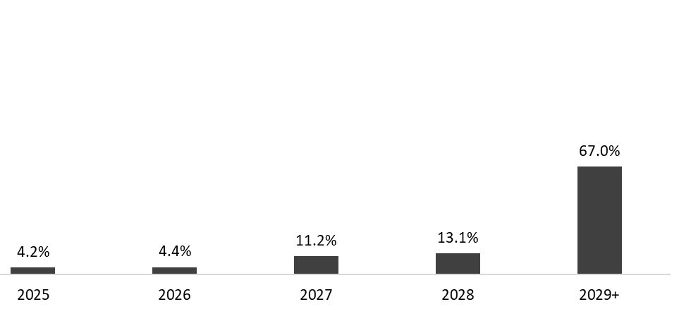

 | Mar 31, 2025
Debt Mix | % Total Debt (1) | % Interest Rate Floating (1) (2) | Average Rate |  | Debt Maturity Profile
Currency
Mexican Pesos | 57.9% | 3.7% | 8.6%
U.S. Dollars | 17.9% | 53.2% | 4.2%
Colombian Pesos | 3.0% | 21.2% | 8.6%
Brazilian Reals | 20.3% | 18.8% | 10.6%
Argentine Pesos | 0.8% | 0.0% | 50.1%
Total Debt | 100% | 23.9% | 8.6%
 |  |  |  |  |  |  |  |  | 2029+
(1) After giving effect to cross- currency swaps.
(2) Calculated by weighting each year´s outstanding debt balance mix.

Financial Ratios | Mar 31, 2025 | Dec 31, 2024 | Δ%
Net debt including effect of hedges (1)(3) | 42,552 | 38,329 | 11.0%
Net debt including effect of hedges / Adj. EBITDA (1)(3) | 0.74 | 0.68
Adj. EBITDA/ Interest expense, net (1) | 10.29 | 12.51
Capitalization (2) | 32.2% | 33.3%
(1) Net debt = total debt - cash
(2) Total debt / (total debt + shareholders' equity)
(3) After giving effect to cross-currency swaps.

Debt Maturity Profile | 2025 | 2026 | 2027 | 2028 | 2029+
% of Total Debt | 4.2% | 4.4% | 11.2% | 13.1% | 67.0%

