Consolidated Balance
COCA-COLA FEMSA
CONSOLIDATED BALANCE SHEET
Millions of Pesos

Assets | Sep-24 | Dec-23 | % Var. | Liabilities & Equity | Sep-24 | Dec-23 | % Var.
Current Assets |  |  |  | Current Liabilities
Cash, cash equivalents and marketable securities |  |  |  | Short-term bank loans and notes payable | 2,557 | 140 | 1726%
 | 41,493 | 31,060 | 34% | Suppliers | 30,966 | 27,351 | 13%
Total accounts receivable | 16,600 | 17,749 | -6% | Short-term leasing Liabilities | 818 | 752 | 9%
Inventories | 13,973 | 11,880 | 18% | Other current liabilities | 36,533 | 26,673 | 37%
Other current assets | 8,674 | 7,049 | 23% | Total current liabilities | 70,873 | 54,916 | 29%
Total current assets | 80,740 | 67,738 | 19% | Non-Current Liabilities | - | -
Non-Current Assets | - | - |  | Long-term bank loans and notes payable | 69,325 | 65,074 | 7%
Property, plant and equipment | 153,835 | 133,406 | 15% | Long Term Leasing Liabilities | 2,205 | 1,769 | 25%
Accumulated depreciation | (62,358) | (54,676) | 14% | Other long-term liabilities | 17,674 | 18,056 | -2%
Total property, plant and equipment, net | 91,478 | 78,730 | 16% | Total liabilities | 160,076 | 139,815 | 14%
Right of use assets | 2,815 | 2,388 | 18% | Equity | - | -
Investment in shares | 10,105 | 9,246 | 9% | Non-controlling interest | 7,545 | 6,680 | 13%
Intangible assets and other assets | 103,904 | 101,162 | 3% | Total controlling interest | 140,303 | 127,025 | 10%
Other non-current assets | 18,882 | 14,256 | 32% | Total equity | 147,848 | 133,705 | 11%
Total Assets | 307,924 | 273,520 | 13% | Total Liabilities and Equity | 307,924 | 273,520 | 13%

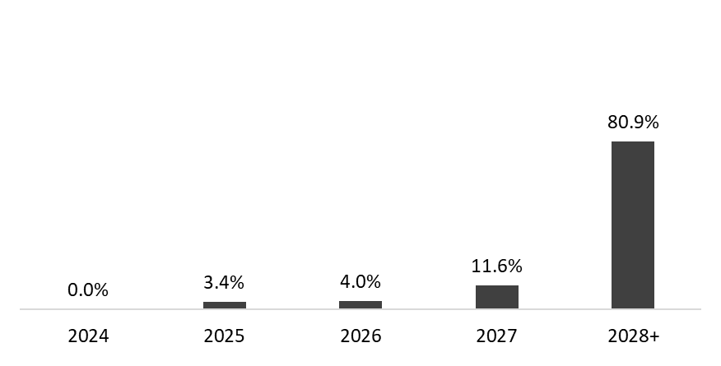
 | Sep 30, 2024
Debt Mix | % Total Debt (1) | % Interest Rate Floating (1) (2) | Average Rate | Debt Maturity Profile
Currency
Mexican Pesos | 58.9% | 3.7% | 8.7%
U.S. Dollars | 17.7% | 53.2% | 4.2%
Colombian Pesos | 1.4% | 0.0% | 6.3%
Brazilian Reals | 21.1% | 18.8% | 9.3%
Argentine Pesos | 0.9% | 0.0% | 50.1%
Total Debt | 100% | 23.4% | 8.4%

(1) After giving effect to cross- currency swaps.
(2) Calculated by weighting each year´s outstanding debt balance mix.

Financial Ratios | 3Q 2024 | FY 2024 | Δ%
Net debt including effect of hedges (1)(3) | 30,307 | 37,794 | -19.8%
Net debt including effect of hedges / Adj. EBITDA (1)(3) | 0.57 | 0.81
Adj. EBITDA/ Interest expense, net (1) | 11.73 | 11.86
Capitalization (2) | 33.1% | 32.8%
(1) Net debt = total debt - cash
(2) Total debt / (total debt + shareholders' equity)
(3) After giving effect to cross-currency swaps.

