Consolidated Balance
COCA-COLA FEMSA
CONSOLIDATED BALANCE SHEET
Millions of Pesos

Assets | Dec-23 | Dec-22 | % Var. | Liabilities & Equity | Dec-23 | Dec-22 | % Var.
Current Assets |  |  |  | Current Liabilities
Cash, cash equivalents and marketable securities |  |  |  | Short-term bank loans and notes payable | 140 | 8,524 | -98%
 | 31,060 | 40,277 | -23% | Suppliers | 27,352 | 26,834 | 2%
Total accounts receivable | 17,750 | 16,318 | 9% | Short-term leasing Liabilities | 752 | 472 | 59%
Inventories | 11,880 | 11,888 | 0% | Other current liabilities | 26,623 | 22,129 | 20%
Other current assets | 7,105 | 10,729 | -34% | Total current liabilities | 54,867 | 57,959 | -5%
Total current assets | 67,794 | 79,211 | -14% | Non-Current Liabilities
Non-Current Assets |  |  |  | Long-term bank loans and notes payable | 65,074 | 70,146 | -7%
Property, plant and equipment | 133,406 | 125,293 | 6% | Long Term Leasing Liabilities | 1,769 | 1,663 | 6%
Accumulated depreciation | (54,676) | (54,088) | 1% | Other long-term liabilities | 18,056 | 16,351 | 10%
Total property, plant and equipment, net | 78,730 | 71,205 | 11% | Total liabilities | 139,766 | 146,119 | -4%
Right of use assets | 2,387 | 2,069 | 15% | Equity
Investment in shares | 9,246 | 8,452 | 9% | Non-controlling interest | 6,680 | 6,491 | 3%
Intangible assets and other assets | 101,162 | 103,122 | -2% | Total controlling interest | 127,025 | 125,384 | 1%
Other non-current assets | 14,150 | 13,936 | 2% | Total equity | 133,705 | 131,876 | 1%
Total Assets | 273,471 | 277,995 | -2% | Total Liabilities and Equity | 273,471 | 277,995 | -2%

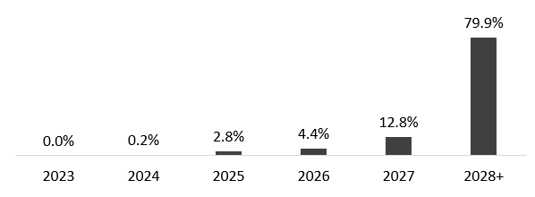
 | December 31, 2023
Debt Mix | % Total Debt (1) | % Interest Rate Floating (1) (2) | Average Rate | Debt Maturity Profile
Currency
Mexican Pesos | 61.4% | 6.9% | 8.8%
U.S. Dollars | 15.9% | 37.4% | 4.6%
Colombian Pesos | 1.3% | 0.0% | 6.3%
Brazilian Reals | 21.3% | 24.8% | 9.6%
Argentine Pesos | 0.1% | 0.0% | 130.0%
Total Debt | 100% | 21.9% | 8.4%

(1) After giving effect to cross- currency swaps.
(2) Calculated by weighting each year´s outstanding debt balance mix.

Financial Ratios | FY 2023 | FY 2022 | Δ%
Net debt including effect of hedges (1)(3) | 37,794 | 38,104 | -0.8%
Net debt including effect of hedges / Adj.EBITDA (1)(3) | 0.81 | 0.89
Adj. EBITDA/ Interest expense, net (1) | 11.86 | 10.34
Capitalization (2) | 32.8% | 38.9%
(1) Net debt = total debt - cash
(2) Total debt / (total debt + shareholders' equity)
(3) After giving effect to cross-currency swaps.

